Res1
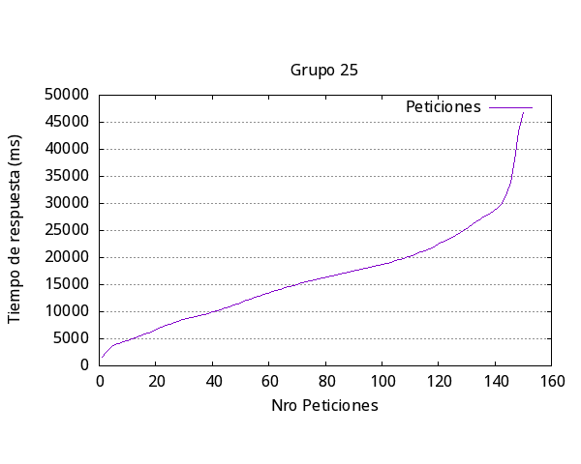
Media por solicitud | 16405ms
Solicitud mas rápida | 316ms
Solicitud mas lenta | 3347ms
Request fallidas | 2
Request por segundo | 0.61

Número de request | 150
Concurrencia | 10

Res2
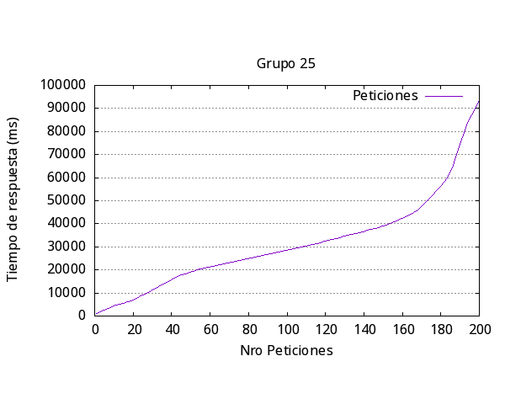

Media por solicitud | 31540
Solicitud mas rápida | 304
Solicitud mas lenta | 9701
Request fallidas | 11
Request por segundo | 0.63

Número de request | 200
Concurrencia | 20

Res3
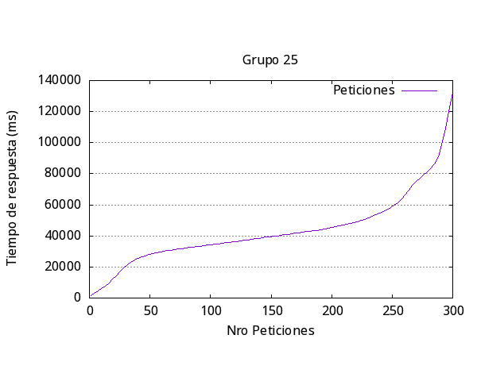
Media por solicitud | 44195
Solicitud mas rápida | 298
Solicitud mas lenta | 17642
Request fallidas | 11
Request por segundo | 0.68

Número de request | 300
Concurrencia | 30

Res4
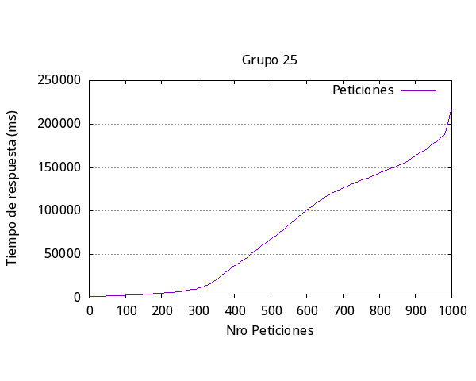

Media por solicitud | 77919
Solicitud mas rápida | 308
Solicitud mas lenta | 49015
Request fallidas | 254
Request por segundo | 1.28

Número de request | 1000
Concurrencia | 100

Res5
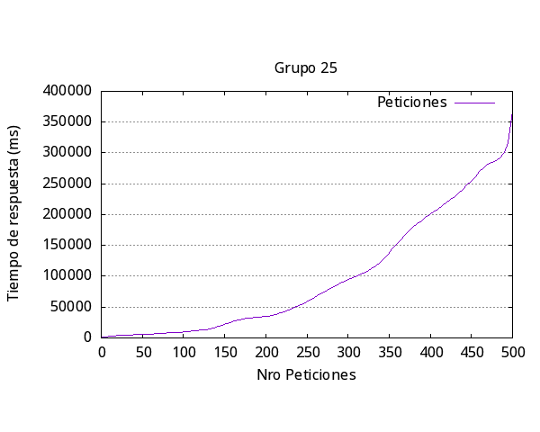
Media por solicitud | 100327
Solicitud mas rápida | 350
Solicitud mas lenta | 36744
Request fallidas | 203
Request por segundo | 1

Número de request | 500
Concurrencia | 100

General
Iteración | Media respuesta (ms) | Más Rápida (ms) | Más Lenta (ms) | Request Fallidas | Request por segundo | Número request | Concurrencia

1 | 16405 | 316 | 3347 | 2 | 0.61 | 150 | 10
2 | 31540 | 304 | 9701 | 11 | 0.63 | 200 | 20
3 | 44195 | 298 | 17642 | 11 | 0.68 | 300 | 30
4 | 77919 | 308 | 49015 | 254 | 1.28 | 1000 | 100
5 | 100327 | 350 | 36744 | 203 | 1 | 500 | 100
Promedio | 54077.2 | 315.2 | 23289.8 | 96.2 | 0.84 | #DIV/0! | #DIV/0!

Respuesta más lenta por Iteración Experimento #2

